BLS Data Series
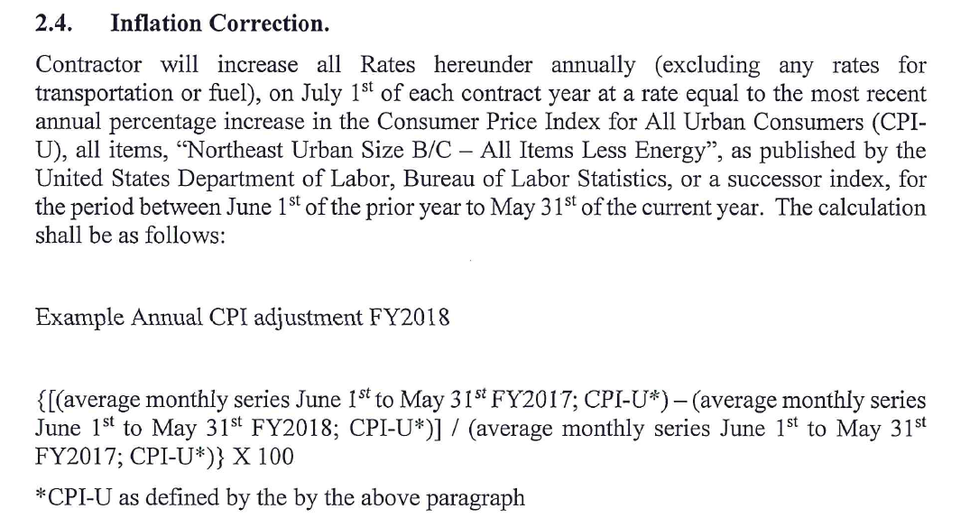
Consumer Price Index for All Urban Consumers (CPI-U)
Original Data Value

Series Id: | CUURN100SA0LE,CUUSN100SA0LE
Not Seasonally Adjusted
Series Title: | All items less energy in Northeast - Size Class B/C, all urban consumers, not seasonally adjusted
Area: | Northeast - Size Class B/C
Item: | All items less energy
Base Period: | DECEMBER 1997=100
Years: | 2016 to 2026

Year | Jan | Feb | Mar | Apr | May | Jun | Jul | Aug | Sep | Oct | Nov | Dec | Annual | HALF1 | HALF2
2016 | 143.903 | 144.470 | 144.834 | 145.221 | 145.354 | 145.438 | 145.844 | 146.171 | 146.247 | 146.612 | 146.271 | 146.031 | 145.533 | 144.870 | 146.196
2017 | 146.547 | 146.783 | 146.847 | 147.067 | 147.103 | 146.925 | 146.395 | 146.737 | 146.699 | 147.176 | 147.208 | 147.616 | 146.925 | 146.879 | 146.972
2018 | 148.323 | 148.647 | 149.033 | 149.566 | 150.094 | 150.266 | 150.118 | 150.596 | 150.164 | 150.019 | 149.763 | 150.170 | 149.730 | 149.322 | 150.138
2019 | 150.977 | 151.084 | 151.690 | 151.975 | 152.431 | 152.954 | 153.133 | 153.259 | 153.523 | 153.365 | 153.292 | 152.944 | 152.552 | 151.852 | 153.253
2020 | 153.938 | 154.704 | 154.830 | 155.093 | 154.910 | 155.320 | 156.030 | 156.299 | 156.166 | 155.737 | 156.135 | 156.143 | 155.442 | 154.799 | 156.085
2021 | 156.489 | 156.707 | 157.704 | 159.053 | 159.846 | 161.244 | 161.715 | 161.962 | 162.022 | 162.750 | 163.673 | 164.302 | 160.622 | 158.507 | 162.737
2022 | 164.925 | 166.205 | 166.878 | 167.753 | 168.620 | 169.465 | 170.006 | 171.436 | 172.048 | 172.614 | 172.586 | 172.726 | 169.605 | 167.308 | 171.903
2023 | 173.594 | 174.663 | 174.269 | 174.960 | 175.346 | 175.955 | 176.349 | 176.535 | 177.019 | 177.324 | 177.558 | 177.670 | 175.937 | 174.798 | 177.076
2024 | 178.565 | 179.378 | 180.968 | 181.550 | 182.246 | 182.623 | 182.389 | 183.091 | 183.891 | 184.182 | 183.860 | 183.691 | 182.203 | 180.888 | 183.517
2025 | 185.045 | 186.032 | 186.511 | 186.809 | 187.156 | 187.712 | 188.646 | 189.709 | 189.507 | 189.309 | 189.111 | 189.303 | 187.776 | 186.544 | 189.255
2026 | 190.367 | 191.236 | 191.879 | 192.653 | 193.709 | 193.921 |  |  |  |  |  |  |  | 192.294

 | Jan | Feb | Mar | Apr | May | Jun | Jul | Aug | Sep | Oct | Nov | Dec |  |  | average monthly series | % Change
2025 |  |  |  |  |  | 187.712 | 188.646 | 189.709 | 189.507 | 189.309 | 189.111 | 189.303 |  |  | 190.26 | 3.063%
2026 | 190.367 | 191.236 | 191.879 | 192.653 | 193.709

2024 |  |  |  |  |  | 182.623 | 182.389 | 183.091 | 183.891 | 184.182 | 183.860 | 183.691 |  |  | 184.61
2025 | 185.045 | 186.032 | 186.511 | 186.809 | 187.156

 |  |  | Disposition |  |  |  | FY25 rate | New Rate
 |  |  | Burlington Main to Grasslands |  |  |  | $128.69 | $132.63
 |  |  | CSWD to Grasslands |  |  |  | $122.25 | $125.99
 |  |  | CSWD to Landfill |  |  |  | $117.97 | $121.58

